1. Title Page
[Project Name]

Project Name: Instacart Basket Analysis 2024
Date:10.04.2024
Analyst Name: Amee Jani

Contents:
Population Flow
Consistency checks
Wrangling steps
Column derivations
Visualizations
Recommendations
 | Citations:
 | 1. The Instacart Online Grocery Shopping Dataset 2017, Accessed from www.instacart.com/datasets/grocery-shopping-2017 via Kaggle on 10.03.2024

2. Population Flow
 | Title page

Population flow

Exclusion flag
Condition: max_order < 5
Obervations to be removed: 29630
Final total count of order_products_all: 32404859

Orders_products_combined
Orders_products_merged
Orders_products_all

Total: 32404859
Total:32434489
Total:
32404859

1.) The grey boxes in the first row of the population flow represent the original data sets as they were when you downloaded them. In the Total fields you need to add the count of the rows when you imported the data set into Jupyter.
2.) The second row of boxes (coloured) represents the data sets after you manipulated them, e.g., removed missing values and duplicates. In the Total fields you need to add the count of the rows after conducting these operations. This offers a visual oveview of how the data flows throughout the data consistency checks.
3.) The third row, where also the arrows are coloured, represents the merges you performed between the datasets. In the Total fields you need to add the count of the rows in the merged datasets, so that you end up with the final dataset (in the red box). Keep in mind the final dataset should be without exclusions (based on the exclusion flag).

3. Consistency checks
 |  |  |  | Title page
Consistency checks

Dataset | Missing values | Missing values treatment | Duplicates
orders | 206209 missing values for days_since_prior_order collumn | To address the missing values, no action was necessary. Because it was the very first order from the consumer, this cell will be empty until they make second order. | No duplicates
products | 16 missing values in 'product_name' collumn | Removed the missing values because they are less than 5% and shouldn't have an impact on the analysis. | 5 duplicates deleted
orders_products_prior | No missing values | No missing values | No duplicates
customers | 11259 missing values in 'first_name' collumn | There is no action required because first name and second name shouldn't be included in the dataset due to PII. | No duplicates

4. Wrangling steps
 |  |  |  |  | Title page
Wrangling steps

Dataset | Columns dropped | Columns renamed | Columns' type changed | Comment/Reason
orders | eval_set |  |  | Not needed for the analysis
orders |  | order_dow |  | Changed the collumn name to "orders_day_of_week" due to unclear naming
orders |  |  | orders_id | Changed data type to string
orders |  |  | user_id | Changed data type to string
orders_products_combined | _merge |  |  | Not needed for the analysis
customers |  | Surnam |  | Typo renamed to surname
customers |  | fam_status |  | Unclear naming. Renamed to family status
customers |  | n_dependants |  | Unclear naming. Renamed to dependants
customers |  | STATE |  | Inconsistent naming. Renamed to State
customers |  | First Name |  | Inconsistent naming. Renamed to first_name
ords_prods_merge | aisle_id |  |  | Not needed for the analysis
small |  |  |  | 30 % sample of ords_prods_merge was taken due to computational efforts

5. Column derivations
 |  |  |  | Title page

Column derivations and aggregations

In this tab you should add tables below that the frequences of flags/label variables that you produced after deriving them. NB: don't do this for continuous variables, only for flags.
Dataset | New column | Column/s it was derived from | Conditions
Orders_products_merged | region | state | ords_prods_merge['region'] = 'West' ords_prods_merge.loc[ords_prods_merge['state'].isin(['Maine', 'New Hampshire', 'Vermont', 'Massachusetts', 'Rhode Island', 'Connecticut', 'New York', 'Pennsylvania', 'New Jersey']), 'region'] = 'Northeast' ords_prods_merge.loc[ords_prods_merge['state'].isin(['Wisconsin', 'Michigan', 'Illinois', 'Indiana', 'Ohio', 'North Dakota', 'South Dakota', 'Nebraska', 'Kansas', 'Minnesota', 'Iowa', 'Missouri']), 'region'] = 'Midwest' ords_prods_merge.loc[ords_prods_merge['state'].isin(['Delaware', 'Maryland', 'District of Columbia', 'Virginia', 'West Virginia', 'North Carolina', 'South Carolina', 'Georgia', 'Florida', 'Kentucky', 'Tennessee', 'Mississippi', 'Alabama', 'Oklahoma', 'Texas', 'Arkansas', 'Louisiana']), 'region'] = 'South'
small | income_category | income | # Seting the income thresholds for low and high income low_income_threshold = 50000 high_income_threshold = 100000 # Creating Income category column small['income_category'] = pd.cut( small['income'], bins=[-float('inf'), low_income_threshold, high_income_threshold, float('inf')], labels=['Low Income', 'Middle Income', 'High Income'], include_lowest=True)
small | age_group | age | # Create the age_group column with default value as 'Unknown' small['age_group'] = 'Unknown' # Assign age groups based on conditions small.loc[(small['Age'] >= 18) & (small['Age'] <= 28), 'age_group'] = 'Young Adult' small.loc[(small['Age'] >= 29) & (small['Age'] <= 40), 'age_group'] = 'Adult' small.loc[(small['Age'] >= 41) & (small['Age'] <= 55), 'age_group'] = 'Middle-Aged' small.loc[(small['Age'] >= 56) & (small['Age'] <= 70), 'age_group'] = 'Senior' small.loc[(small['Age'] >= 71) & (small['Age'] <= 82), 'age_group'] = 'Elderly'
small | customer_profile | age_group, income_category, dependant_flag | # Creating new column customer_profile small['customer_profile'] = small['age_group'] + '_' + small['income_category'] + '_' + small['dependant_flag']
small | department_name | department_id | # Create the 'department_name' column small['department_name'] = small['department_id'].map(department_mapping).fillna("missing")

6. Visualizations& Recommendati
 |  |  | Title page

Visualisations

.1. The sales team requires insights into the peak days and hours with the highest order volumes. This information will enable them to strategically schedule advertisements during periods of lower order activity.

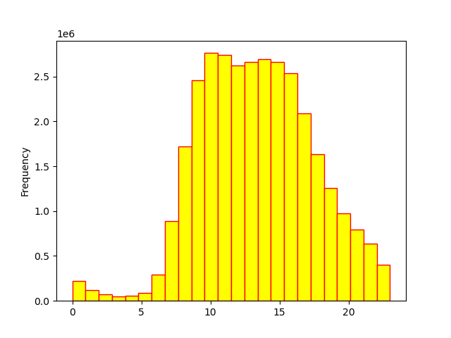
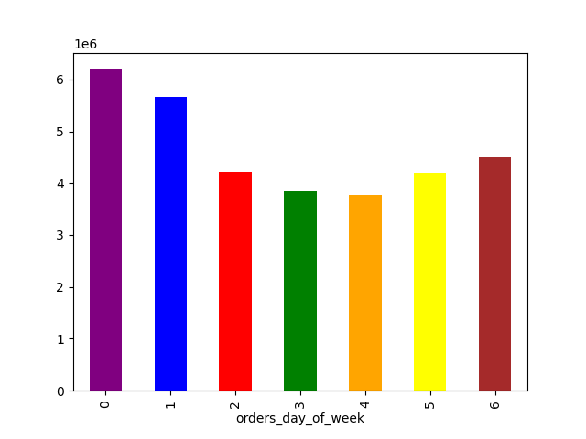

 | Saturday is the highest day with maximum orders and thurday is a comparetively lower than the other days. | The chart on the righthand side represents the order hour of the day which is at peak form 10 to 15

 | 2. The sales team is interested in identifying specific times of the day when customers tend to spend the most money. This information could help determine the type of products to advertise during these peak spending periods.

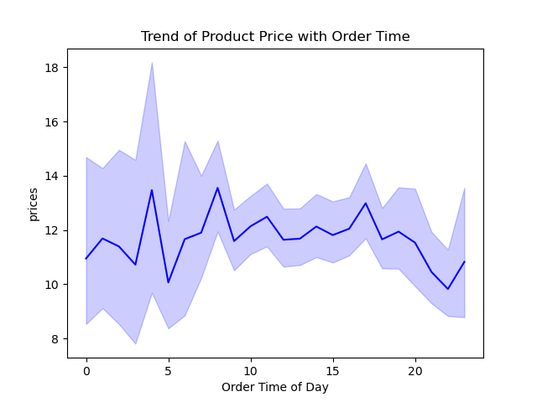
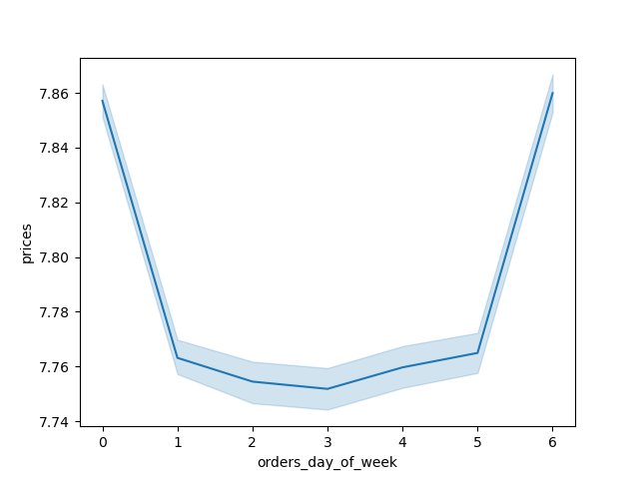

 | Recommendation: The analysis suggests that the early morning hours, between approximately 3 am and 5 am, witness the highest average price per order.
 | Subsequently, there is a gradual decline in average prices until around 10 am, followed by a slight increase leading up to 7 pm.

 | 3. Instacart aims to simplify its product price range groupings to streamline marketing and sales efforts, facilitating more focused strategies.

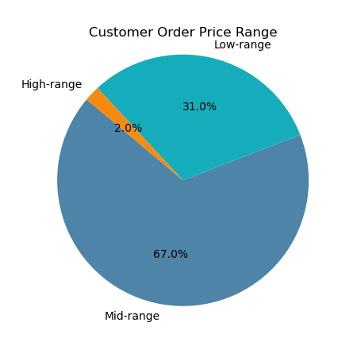

Recommendation: The recommended approach for creating price range groupings involved categorizing products into three tiers: low (under $5), mid (between $5 and $15), and high (over $15).
With midrange products constituting over 60% of sales, prioritizing this segment should be the main focus for the sales team."

 | 4. How is brand loyalty distributed among users, reflecting their frequency of returning to Instacart?"

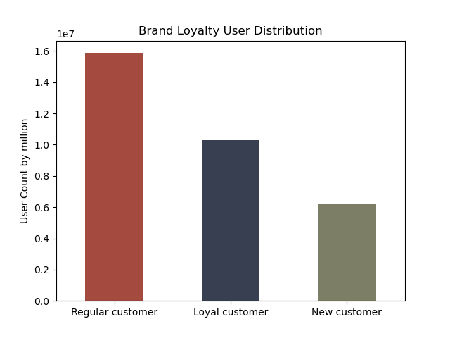

 | Recommendation : Here we see that the regular customers ordering frequency is much higher than the loyal customers .
 | Instacart shoul come up with some special programm for loyal customers to increase their spendings with Instacart.

 | 5. Are there differences in ordering habits based on a customer’s region?

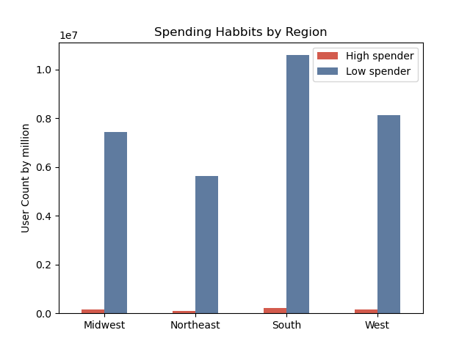
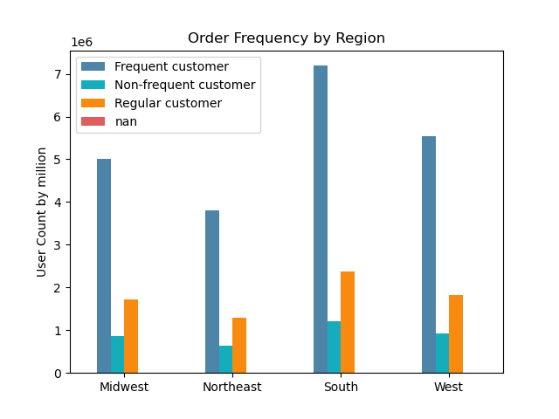

Recommendation : South is topping in spending habit but Northeast and Midwest are areas of concern.

 | 6.Is there a correlation between age and family status concerning ordering behavior?

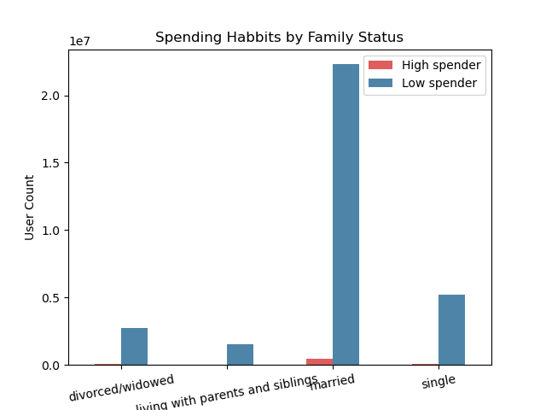
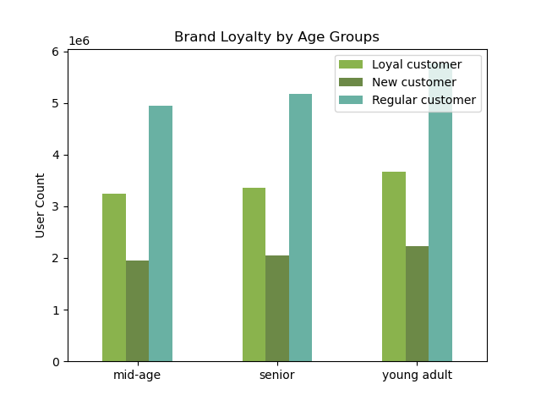

 | Recommendation: Given that higher number of customers are married, targeting this demographic would be prudent. Analysis reveals slight variations in average spending across different age and marital status categories.
 | Notably, individuals living with parents and siblings tend to spend the least, while singles and young adults exhibit higher spending tendencies."

